Sheet1
DRIVERS DAILY VEHICLE CHECKS (THIS IS A LEGAL REQUIREMENT)

DRIVERS NAME | START DATE | FINISH DATE

PLEASE INDICATE CHECKS CARRIED OUT WITH A TICK | VEHICLE REG NUMBER BELOW

On approach to vehicle look for obvious fluid leaks
Check all fluid levels - Oil/Water/Fuel/Hydraulics
Vehicle glass and mirror condition and cleanliness
Operation and condition of Windscreen wipers and washers
Tax/O licence disc displayed
Check all vehicle lights for operation and condition
Condition and security of markers and number plates
Condition and security of Wheels and wheel nuts/Indicators
Check Tyre inflation/Damage/Tread depth
Condition and security of Body/wings/side guards/under run bars
Condition and security of Battery box/catwalk/steps/ladders
Condition and security of Electrical/Air/Abs Suzie's
Tail lift operation/security/condition
Cab interior-Lights/warning devices (Reversing alarm & hazard warning)
Condition and security of Driving controls/seats/seat belts
Brake Operation- Warning devices/pressure/air leaks (check in yard)
Tachograph time displayed/calibration/inspection due date
Load restraints and security of load/pallet truck
Vehicle Height checked and Height displayed for Truck and Trailer

TRAILER CHECKS - USE SEPARATE SHEET FOR EACH TRAILER | TRAILER NUMBERS

Side/marker/tail/stop/indicators/reverse Condition and operation
Condition and security of Wheels and wheel nuts/indicators
Check Tyre inflation/Damage/Tread depth
Condition and security of Body/wings/side guards/under run bars/tail lifts
Condition and security of number plate/holder
Condition and security of Trailer connections
Condition and security of Landing legs and handle

DRIVERS DAILY SIGNATURE

IF A DEFECT IS FOUND REPORT IT TO THE TRANSPORT OFFICE IMMEDIATELY, IF DEFECT FOUND WHILE DRIVING STOP AND REPORT IT IMMEDIATELY
REMEMBER - IF A SEAT BELT IS FITTED IT MUST BE WORN - ENSURE HANDBRAKE/ TRAILER BRAKE IS APPLIED BEFORE COUPLING/UNCOUPLING
PLEASE MARK ANY VEHICLE DAMAGE DOWN ON THE IMAGES BELOW AND PLEASE TAKE PICTURES AS EVIDENCE

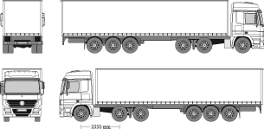
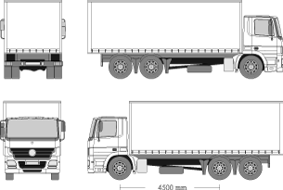

PLEASE USE BOX BELOW FOR ANY ADDITIONAL DETAILS

