Sheet1
PLEASE MARK THE AREA OF ACCIDENT DAMAGE ON THE IMAGE BELOW

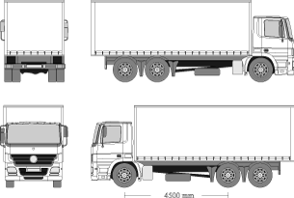

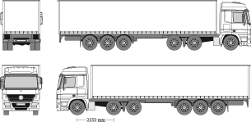

PLEASE PUT ANY ADDITIONAL COMMENTS BELOW

DRIVERS PLUS - ACCIDENT REPORT FORM
(COMPLETE ALL SECTIONS IN THE FORM CORRECTLY)

THE EVENT
DRIVERS NAME
DRIVERS ADDRESS DETAILS

CONTACT NUMBER
DATE/TIME OF INCIDENT/ACCIDENT
VEHICLE TYPE/CLASS | 7.5TON - CLASS 2 - CLASS 1
MAKE/MODEL
REGISTRATION NUMBER
REGISTERED OWNER OF THE VEHICLE

WERE ANY FAULTS AND/OR DAMAGE RECORDED ON THIS VEHICLE PRIOR TO THE ACCIDENT/INCIDENT? |  |  | YES/NO

HAS THE REGISTERED OWNER OF THE VEHICLE MADE A SEPARATE CLAIM ON THEIR MOTOR POLICY? |  |  | YES/NO

IF YES, PLEASE PROVIDE DETAILS

DATE/TIME OF LAST VEHICLE CHECK PRIOR TO INCIDENT?
LOCATION OF INCIDENT?

WEATHER AND ROAD CONDITIONS?

STATEMENT OF EVENTS/WHAT HAPPENED

PLEASE DRAW A SKETCH OF THE INCIDENT/ACCIDENT BELOW, TAKING CARE TO INCLUDE DETAILS OF ANY OBSTACLES AND MAKE CLEAR THE DIRECTION OF ALL PARTIES INVOLVED AND PLEASE ATTACH ANY PHOTOS TAKEN OF THE ACCIDENT/INCIDENT

WERE THE POLICE CONTACTED? |  | YES/NO
DATE/TIME
POLICE CRIME NUMBER?
POLICE STATION ADDRESS DETAILS?

ANY WITNESSES TO THE EVENT PLEASE WRITE BELOW?

NAME,ADDRESS,CONTACT DETAILS

NAME,ADDRESS,CONTACT DETAILS

HAVE ANY INJURIES BEEN REPORTED, IF SO PLEASE STATE BELOW THE PERSONS NAME, ADDRESS AND CONTACT DETAILS AND NATURE OF THEIR INJURIES?

NAME,ADDRESS,CONTACT DETAILS

